Dashboard
Sales Dashboard
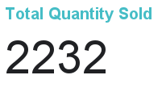
Total Sales Per Year

Total Sales Per Store

Quantity Sold Per Item

Total Sales Per Item

